Project Descp
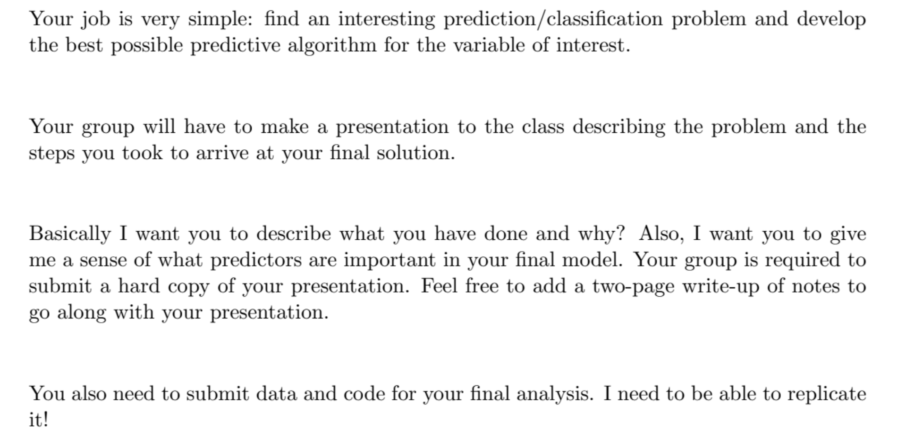
Presentation on 27th July, 2021

